Indices

 | Iraq Stock Exchange
 | Bulletin No (106)
 | ISX Trading Indices of Sunday 21/6/2026

 | Traded Volume and OTC |  | 1,007,065,548 |  | Traded Value and OTC |  | 1,941,003,769 |  | Traders | 1484

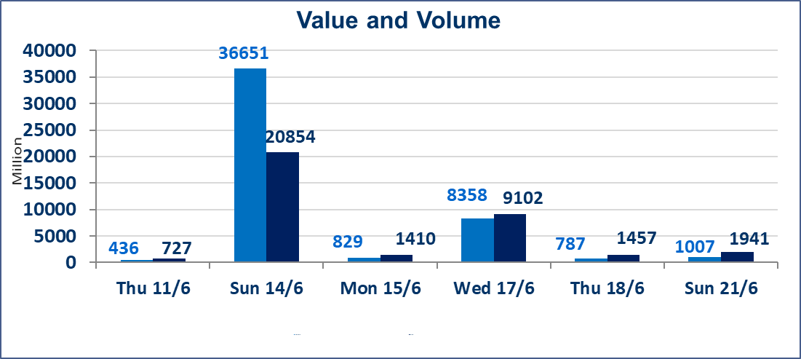
 | ISX Index 60 |  |  | 1015.04 | ISX Index 15 |  |  | 1287.07
 | Previous ISX Index60 |  |  | 1006.23 | Previous ISX Index15 |  |  | 1281.85
 | Change % |  |  | 0.88 | Change % |  |  | 0.41
 | Change |  |  | 8.81 | Change |  |  | 5.22

 | Listed Companies | 103 | OTC | 14 | Non Traded listed | 45 | OTC | 13
 | Traded Listed Companies | 44 | OTC | 1 | Higher Companies |  |  | 19
 | GAM Companies |  |  | 3 | Lower Companies |  |  | 7
 | Suspended Companies |  |  | 11
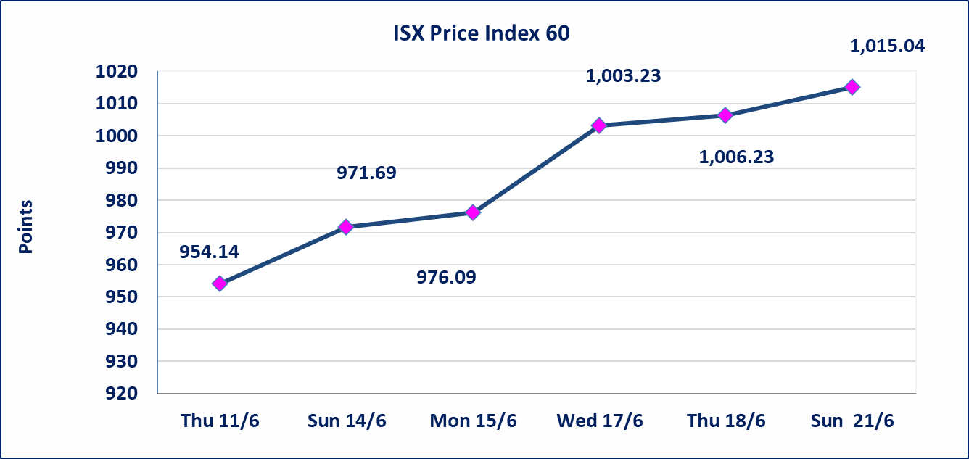
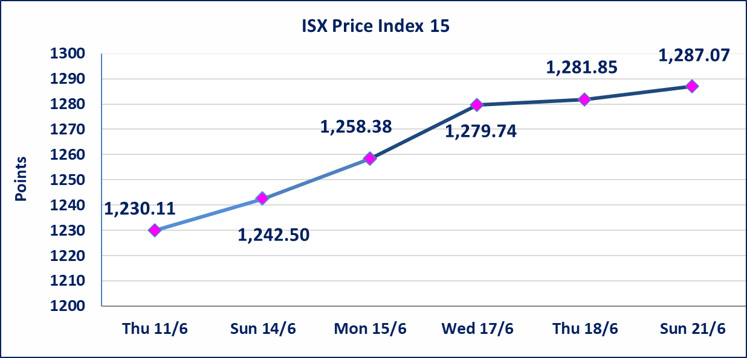

Al-Alwiya P.O . 3607 Mobile: 07711211522 - 07270094594 - 07834000034 E-mail: info-isx@isx-iq.net Web site:www.isx-iq.net

Top 5
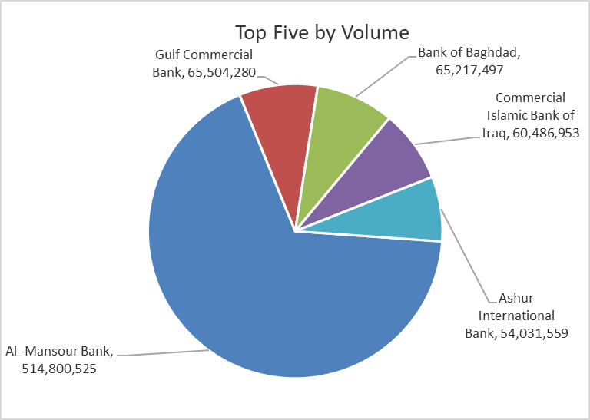
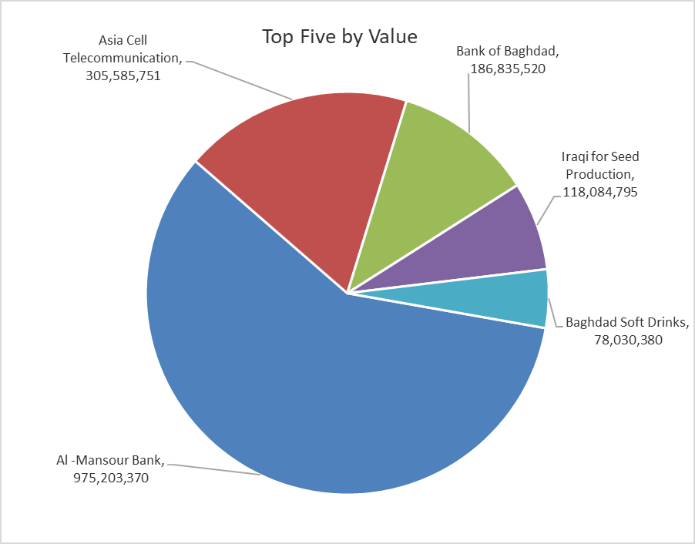

ISX top ganing and losing companies
Sunday 21/6/2026
 | Gainers |  |  |  | Losers
 | Company Name | Closing Price | Change (%) | Traded Volume | Company Name | Closing Price | Change (%) | Traded Volume
 | Ashur International Bank | 0.290 | 16.00 | 54,031,559 | Al-Ameen for Insurance | 0.850 | -5.56 | 863,000
 | Iraqi Agricultural Products | 10.000 | 11.11 | 303 | Fallujah for construction Materials | 2.860 | -2.39 | 1,000,000
 | Investment Bank of Iraq | 0.270 | 3.85 | 34,037,037 | Baghdad Soft Drinks | 6.750 | -1.32 | 11,496,904
 | Al -Mansour Bank | 1.930 | 3.76 | 514,800,525 | National Bank of Iraq | 4.010 | -1.23 | 4,047,827
 | Baghdad Hotel | 12.400 | 3.33 | 353,000 | Babil Animal & Vegetable Production | 8.000 | -1.23 | 451,255
 | The most active companies in term of traded volume and value

 | Traded Volume |  |  |  | Traded Value
 | Company Name | Closing Price | Change (%) | Traded Volume | Company Name | Closing Price | Change (%) | Traded Value
 | Al -Mansour Bank | 1.930 | 3.76 | 514,800,525 | Al -Mansour Bank | 1.930 | 3.76 | 975,203,370
 | Gulf Commercial Bank | 0.360 | 0.00 | 65,504,280 | Asia Cell Telecommunication | 16.980 | 0.47 | 305,585,751
 | Bank of Baghdad | 2.910 | 1.75 | 65,217,497 | Bank of Baghdad | 2.910 | 1.75 | 186,835,520
 | Commercial Islamic Bank of Iraq | 0.700 | 2.94 | 60,486,953 | Iraqi for Seed Production | 6.690 | 1.52 | 118,084,795
 | Ashur International Bank | 0.290 | 16.00 | 54,031,559 | Baghdad Soft Drinks | 6.750 | -1.32 | 78,030,380

Non Iraqis

Iraq Stock Exchange
Non Iraqis' Bulletin Sunday Jun 21 2026
Regular Market

Non Iraqi Trading of Regular Market (Buy)
Company Names | Code | No.of trades | Traded Shares | Trading Volume
Banks Sector
Bank Of Baghdad | BBOB | 1 | 34,877 | 99,399
Iraqi Islamic Bank | BIIB | 1 | 806,521 | 862,977
National Bank Of Iraq | BNOI | 1 | 25,000 | 101,000
Al-Mansour Bank | BMNS | 34 | 145,176,448 | 277,434,751
Total Bank sector |  | 37 | 146,042,846 | 278,498,128
Telecommunication Sector
Asia cell | TASC | 2 | 11,941 | 202,758
Total Telecommunication sector |  | 2 | 11,941 | 202,758
Grand Total |  | 39 | 146,054,787 | 278,700,886

Non Iraqi Trading of Regular Market (Sell)
Company Names | Code | No.of trades | Traded Shares | Trading Volume
Industry Sector
Baghdad Soft Drinks | IBSD | 2 | 72,157 | 490,668
Total Industry sector |  | 2 | 72,157 | 490,668
Telecommunication Sector
Al-Khatem Telecoms | TZNI | 8 | 520,428 | 2,206,819
Total Telecommunication sector |  | 8 | 520,428 | 2,206,819
Grand Total |  | 10 | 592,585 | 2,697,487

Not Trading Bonds

Iraq Stock Exchange
Sunday 21/6/2026
Not Trading Bonds Bulletin
Bond type | Publish type | Code | last trading price | immortilize date
Banaa Bonds /Million ID | Second | CB20 | 964,981 | 19/12/2025
Eamar Bonds /Million ID | First | CB30 | 1,001,095 | ــــــــــــــــ
Eamar Bonds /Million ID | Second | CB40 | ــــــــــــــــ | ــــــــــــــــ
Eamar Bonds /500 Thousand ID | Third | CB45 | ــــــــــــــــ | ــــــــــــــــ
Eamar Bonds /Million ID | Third | CB50 | ــــــــــــــــ | ــــــــــــــــ
Injaz Bonds /500 Thousand ID | First | CB55 | ــــــــــــــــ | ــــــــــــــــ
Injaz Bonds /Million ID | First | CB60 | 951,110 | ــــــــــــــــ
Injaz Bonds /500 Thousand ID | Second | CB65 | 511,000
Injaz Bonds /Million ID | Second | CB70 | 965,050 | ــــــــــــــــ
Injaz Bonds /500 Thousand ID | Third | CB75 | ــــــــــــــــ | ــــــــــــــــ
Injaz Bonds /Million ID | Third | CB80 | 978,182 | ــــــــــــــــ
National Bonds/Million ID | First | CB90 | ــــــــــــــــ | ــــــــــــــــ
National Bonds/500 Thousand ID | Second | CB95 | ــــــــــــــــ | ــــــــــــــــ
National Bonds/Million ID | Second | CB100 | ــــــــــــــــ | ــــــــــــــــ

